Transformer Test Results
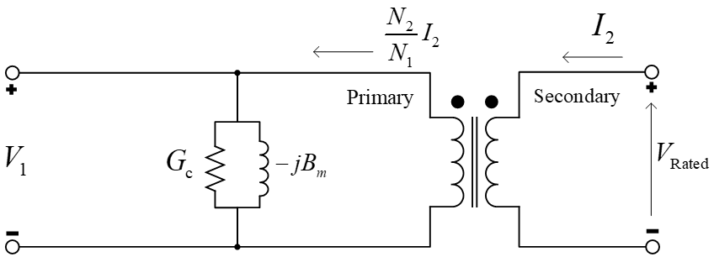
Transformer Name | Three Phase Rating (MVA) | Rated Primary Voltage (kV Line-to-Line) | Rated Secondary Voltage (kV Line-to-Line) | Short Circuit Test Measured Power (kW) | Short Circuit Test Applied Voltage (kV) | Open Circuit Measured Power (kW) | Open Circuit Measured Current (A)
TF3 | 500 | 132 | 33 | 125.00 | 0.574 | 1.39 | 0.396

